Instructions
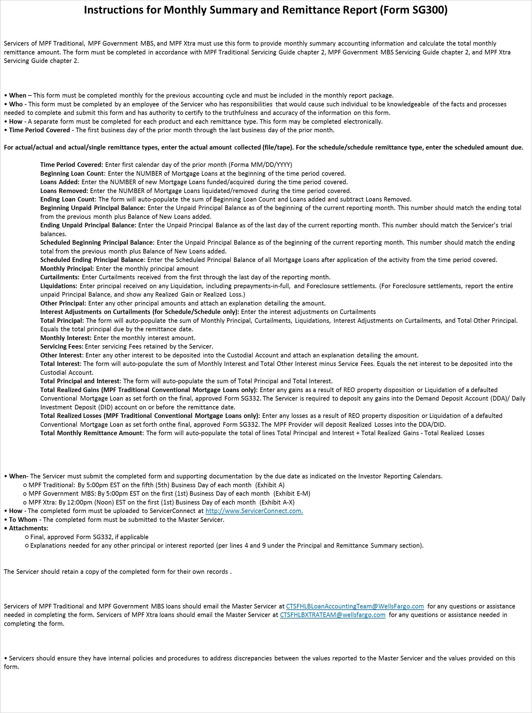

Purpose

Preparation

Submission

Assistance

Helpful Hints

Form SG300
PFI Number:
Servicer Name:

Printed Name of Employee Completing Form:
Title:

Email:
Phone Number:

Date Submitted:

Choose one of each category per form:

List any supporting documents and/or any missing documents and provide an explanation for any missing documents:

Portfolio Summary

Time Period Covered:

Field | Value
Beginning Loan Count
Loans Added
Loans Removed
Ending Loan Count | 0
Actual Beginning Principal Balance
Actual Ending Principal Balance
Scheduled Beginning Principal Balance
Scheduled Ending Principal Balance
Monthly Principal
Curtailments
Liquidations
Other Principal
Interest Adj on Curtailments (for S/S only)
Total Principal | $0.00
Monthly Interest
Service Fees
Other Interest
Total Interest | $0.00
Total Principal and Interest | $0.00
Total Realized Gains (attach Form SG332)
Total Realized Losses (attach Form SG332)
Total Remittance Amount Due | $0.00

